Indices

 | Iraq Stock Exchange
 | Bulletin No (211)

 | ISX Trading Indices of Tuesday 25/11/2025

 | Traded Volume and OTC |  | 8,493,963,690 |  | Traded Value and OTC |  | 2,553,600,827 |  | Traders | 910

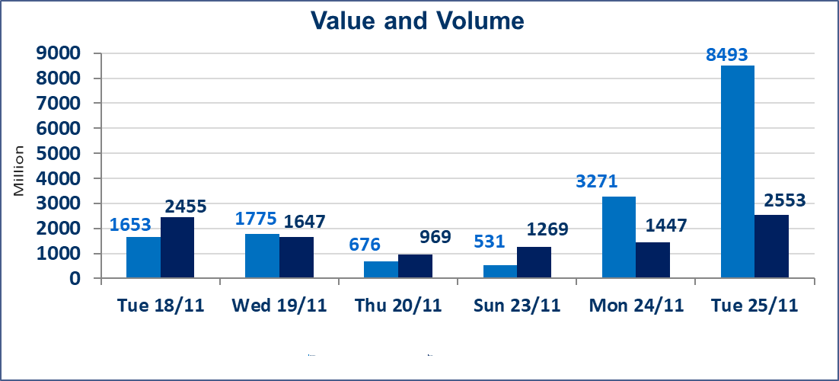
 | ISX Index 60 |  |  | 950.04 | ISX Index 15 |  |  | 1177.02
 | Previous ISX Index60 |  |  | 952.72 | Previous ISX Index15 |  |  | 1179.65
 | Change % |  |  | -0.28 | Change % |  |  | -0.22
 | Change |  |  | -2.68 | Change |  |  | -2.63

 | Listed Companies | 104 | OTC | 11 | Non Traded listed | 38 | OTC | 9
 | Traded Listed Companies | 46 | OTC | 1 | Higher Companies |  |  | 10
 | GAM Companies |  |  | 8 | Lower Companies |  |  | 12
 | Suspended Companies |  |  | 12
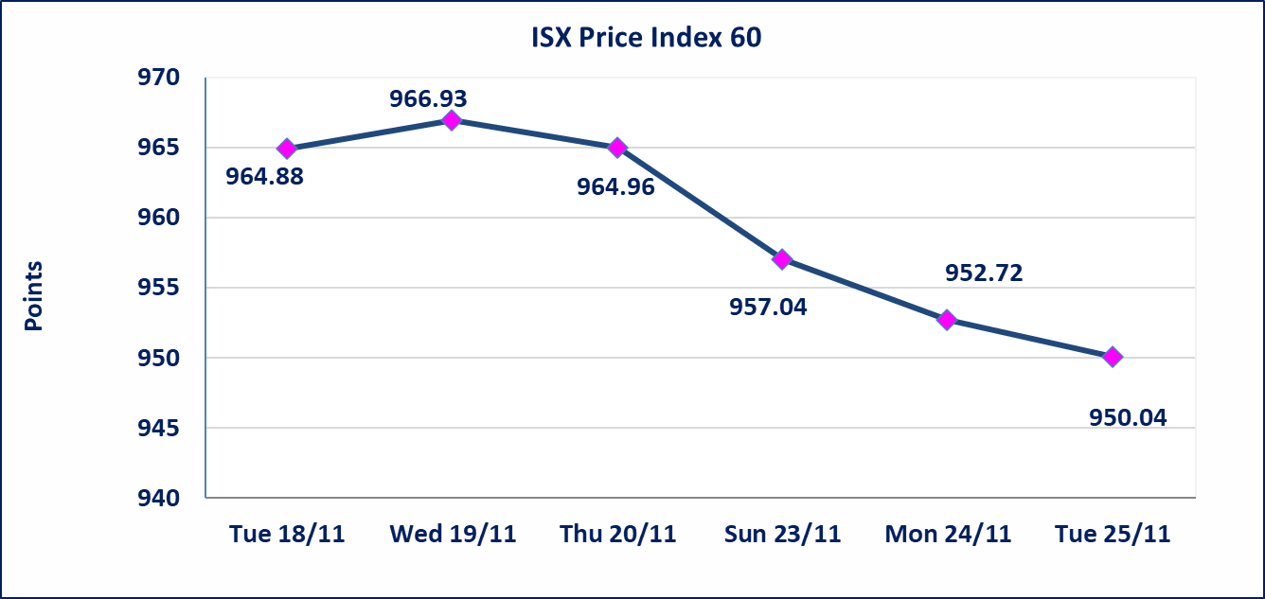
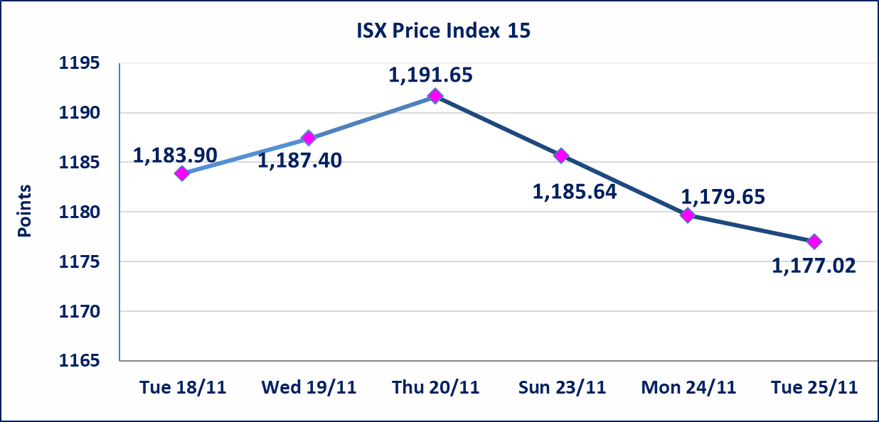

 | special orders | Al-Karmel Company (sell) and Al-Furat Company (buy) executed a special order on shares of the International Islamic Bank with a number of shares (5,500,000,000) shares with a value of (935,000,000) dinars, during the additional session time (after 1 pm) in accordance with the procedures for executing large transactions.
 | special orders | Kasab Company executed a deliberate cross order on the shares of Asia Bank Iraq Company with a number of shares (910,500,000) shares with a value of (710,190,000) dinars, during the additional session time (after 1 pm) in accordance with the procedures for executing large transactions.
Al-Alwiya P.O . 3607 Mobile: 07711211522 - 07270094594 - 07834000034 E-mail: info-isx@isx-iq.net Web site:www.isx-iq.net

Top 5
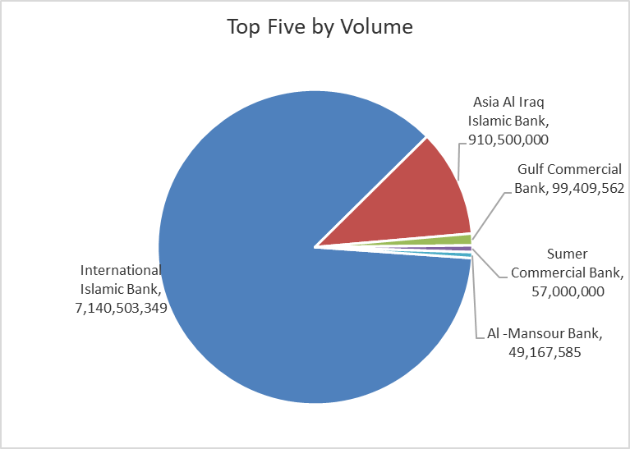
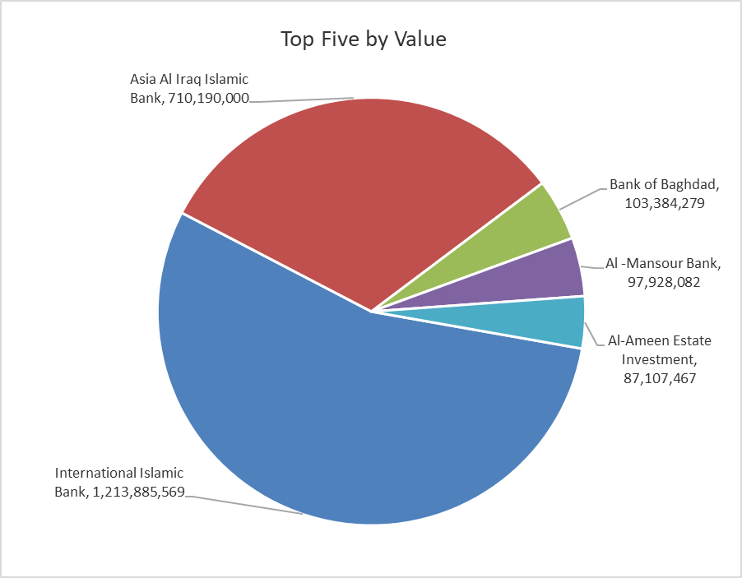
ISX top ganing and losing companies
Tuesday 25/11/2025
Gainers |  |  |  | Losers
Company Name | Closing Price | Change (%) | Traded Volume | Company Name | Closing Price | Change (%) | Traded Volume
Middle East Bank | 0.070 | 16.67 | 1,000 | Al-Qabidh Islamic Bank | 0.140 | -12.50 | 1,500,000
Babil Animal & Vegetable Production | 9.570 | 14.89 | 120,000 | Al -Khazer Construction Materials | 1.440 | -4.00 | 36,098,459
Al-Ameen Estate Investment | 2.550 | 10.87 | 33,801,182 | Modern Construction Materials | 0.700 | -2.78 | 824,110
Ashour Hotel | 32.000 | 3.23 | 4,685 | Mamoura Realestate | 3.750 | -2.34 | 6,473,142
Iraqi For Tufted Carpets | 17.700 | 2.91 | 859,823 | Bank of Baghdad | 3.500 | -1.96 | 29,509,523

The most active companies in term of traded volume and value

Traded Volume |  |  |  | Traded Value
Company Name | Closing Price | Change (%) | Traded Volume | Company Name | Closing Price | Change (%) | Traded Value
International Islamic Bank | 0.170 | 0.00 | 7,140,503,349 | International Islamic Bank | 0.170 | 0.00 | 1,213,885,569
Asia Al Iraq Islamic Bank | 0.780 | 0.00 | 910,500,000 | Asia Al Iraq Islamic Bank | 0.780 | 0.00 | 710,190,000
Gulf Commercial Bank | 0.280 | 0.00 | 99,409,562 | Bank of Baghdad | 3.500 | -1.96 | 103,384,279
Sumer Commercial Bank | 0.110 | 0.00 | 57,000,000 | Al -Mansour Bank | 2.000 | 0.50 | 97,928,082
Al -Mansour Bank | 2.000 | 0.50 | 49,167,585 | Al-Ameen Estate Investment | 2.550 | 10.87 | 87,107,467

OTC

Iraq Stock Exchange

Tuesday 25/11/2025
OTC Platform Trading Bulletin No (211)
Company Name | Code | highest price | lowest price | Average price | No.of Trades | Traded Volume | Traded Value
Banks Sector
Al-Warka Bank | BWAI | 0.080 | 0.080 | 0.080 | 15 | 50,353,273 | 4,028,262
Total Of Banks Sector |  |  |  |  | 15 | 50,353,273 | 4,028,262
Total |  |  |  |  | 15 | 50,353,273 | 4,028,262

Not Trading OTC Companies
Company Name |  |  | Code |  | Previous Average price
Banks Sector
Al-Sanam Islamic Bank |  |  | BSAN |  | 3.000
Hammurabi Commercial Bank |  |  | BHAM |  | ـــــــــــــــــــــــــــــــــــ
Money Service Sector
Rabee Securities |  |  | FRSE |  | 9.500
Karmal Brokerage |  |  | FKSX |  | 10.000
Ishtar Gate for e-Paymant |  |  | FISH |  | 1.000
Sama Baghdad Exchange |  |  | FSBE |  | ـــــــــــــــــــــــــــــــــــ
Iraqi Deposit Insurance Corporation |  |  | FIDI |  | ـــــــــــــــــــــــــــــــــــ
Insurance Sector
Shatt Al Arab Insurance |  |  | NSHA |  | 1.000
Dilina Insurance Company |  |  | NDIL |  | ـــــــــــــــــــــــــــــــــــ

Non OTC

Iraq Stock Exchange
Non Iraqis' Bulletin Tuesday Nov 25 2025
Regular Market

Non Iraqi Trading of OTC (Sell)
Company Names | Code | No.of trades | Traded Shares | Trading Volume
Banks Sector
Warka Bank for inv.&Finance | BWAI | 1 | 1,994,720 | 159,578
Total Bank sector |  | 1 | 1,994,720 | 159,578
Grand Total |  | 1 | 1,994,720 | 159,578

